Sheet1
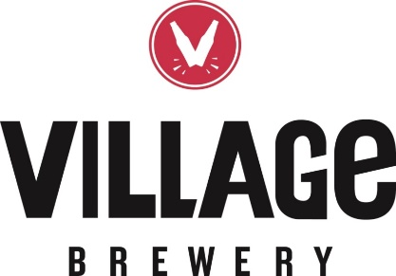
 |  | NEIGHBOUR DAY CLAIM FORM

 |  | Name of Your Community Association:
 |  | Address:
 |  | City | Calgary | Alberta
 |  | Postal Code:
Note: Receipts will be accepted until July 15, 2019. The Federation and Village will not reimburse community associations for refunds under $15. Please submit to communications@calgarycommunities.com or by fax at 403-244-4129.

DATE | Liquor Store Where Purchase | Beer Total Only (no gst or deposit to be included) | Community Refund
 |  |  | $-
 |  |  | $-
 |  |  | $-
 |  |  | $-
 |  |  | $-
 |  |  | $-
 |  |  | $-
 |  |  | $-
 |  |  | $-
 |  |  | $-
 |  |  | $-
 |  |  | $-
 |  |  | $-
 |  |  | $-
 |  |  | $-
 |  |  | $-
 |  |  | $-
 |  |  | $-
 |  |  | $-
 |  |  | $-
 |  |  | $-
 |  |  | $-
 | Total | $- | $-

Claimant Signature
Date:

For Office Use:

 | Refund Approved By:

